NameSum
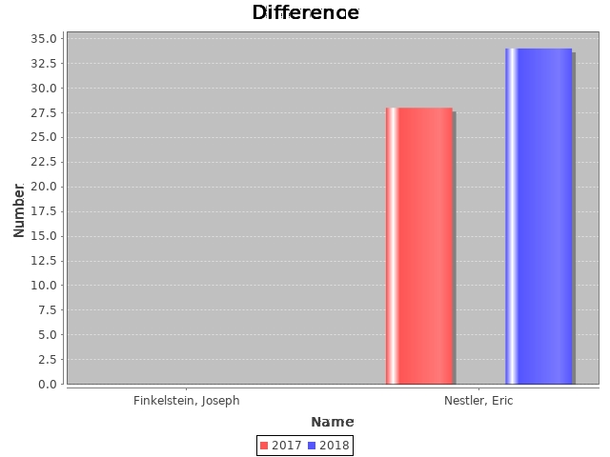
Researcher Name | SUM 2017 | SUM 2018
Finkelstein, Joseph | 0 | 0
Nestler, Eric | 28 | 34

ProgramSum
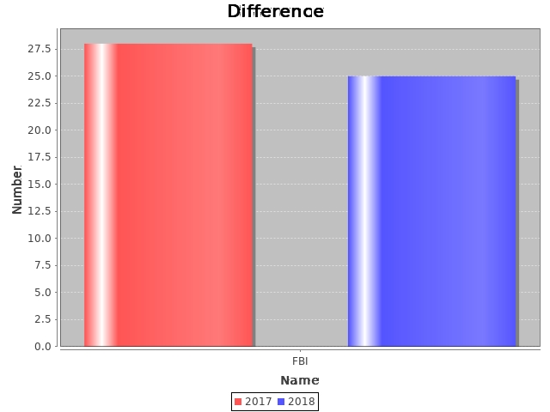
Program Name | Sum 2017 | Sum 2018
FBI | 28 | 25

